CIP Instructions
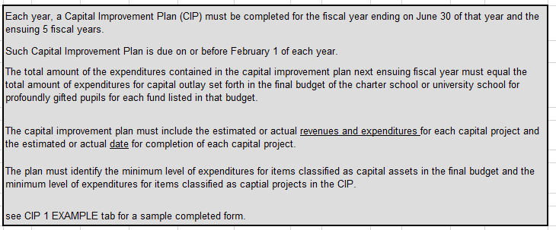
 |  |  |  | INSTRUCTIONS FOR PREPARING THE
 |  |  |  | 5 YEAR CAPITAL IMPROVEMENT PLAN (CIP)
 |  |  |  |  | SY 2021-2022 (FY22)

Please submit ONE copy of the Capital Improvement Plan to:

(1) | Nevada Department of Education - Attn: Stefani Hogan
 |  | NDE will forward a summary to the Director, Legislative Counsel Bureau as required.
(2) | Your Charter School Sponsor

(3) | Note: Report due date of January 20, 2022
 |  | This allows for internal NDE review and consolidation to meet statuatory deadline of February 1st.
 |  | Reports completed after January 20th should be submitted directly to the Legislative Counsel Bureau at reports@lcb.state.nv.us
 |  |  | copying NDE and charter sponsor

As per NAC 387.700:

CIP 1 EXAMPLE
 | FIVE YEAR CAPITAL IMPROVEMENT PLAN |  |  | ENTITY: | EXAMPLE ONLY
Minimum level of expenditure for items classified as capital assets |  |  | $5,000 | DATE: |  | DUE JAN 20, 2022
Minimum level of expenditure for items classified as capital projects |  |  | $25,000
 |  | SY 2021-2022 (FY 22) | SY 2022-2023 (FY23) | SY 2023-2024 (FY24) | SY 2024-2025 (FY25) | SY 2025-2026 (FY26)
Fund: | Grant Special Revenue Fund

Capital Improvement: | Classroom Additions - 12 Rooms | 6,000,000 | 6,130,000
- Example Only -
Do Not Use
Funding Source: | Grant

Completion Date: | 2022-06-30

Fund Total |  | $6,000,000 | $6,130,000 | $0 | $0 | $0

 |  | SY 2021-2022 (FY 22) | SY 2022-2023 (FY23) | SY 2023-2024 (FY24) | SY 2024-2025 (FY25) | SY 2025-2026 (FY26)
Fund: | Capital Projects Fund

Capital Improvement: | Vehicle Replacement Program |  | 309,000 | 318,270 | 327,820 | 337,650

Funding Source: | Medium Term Financing |  | Md. Term. Financing | Md. Term. Financing | General Revenue | Unknown
 | General Revenue
Completion Date: | 2025-05-31

Subtotal |  | $0 | $309,000 | $318,270 | $327,820 | $337,650

 |  | SY 2021-2022 (FY 22) | SY 2022-2023 (FY23) | SY 2023-2024 (FY24) | SY 2024-2025 (FY25) | SY 2025-2026 (FY26)
Fund: | General Fund

Capital Improvement: | Computer Classroom and Associated Equip | 0 | 5,000,000 | 2,500,000 | 250,000 | 250,000

Funding Source: | Medium Term Financing | Md. Term. Financing | Md. Term. Financing | Md. Term. Financing | General Revenues | General Revenues
 | General Revenues |  | General Revenues | General Revenues
Completion Date: | 2025-04-30

Total all Improvements |  | $0 | $5,000,000 | $2,500,000 | $250,000 | $250,000

Complete cells highlighted in yellow (if applicable)
 | If no capital improvements are planned for the next 5 years, submit plan stating such.

Funding Sources include: General Revenues, Charges for Services, Grants, or Debt and "Other" (please describe)

List multiple funding sources; however, only list sources in individual columns if different from year to year.

Use additional sheets if necessary.

